1. Title Page
[Project Name]

Project Name: Instacart Grocery Basket Analysis
Date: 2025.2.1
Analyst Name: Zbigniew Wiercinski

Contents:
Population Flow
Consistency checks
Wrangling steps
Column derivations
Visualizations
Recommendations

Data Source:
Instacart Data Sets: Data Dictionary - “The Instacart Online Grocery Shopping
Dataset 2017
CareerFoundry Data Sets: Customers Data Set

2. Population Flow
Title page

Population flow

Exclusion flag
Condition: max_order < 5
Obervations to be removed: 711289
Final total count of order_products_all: 31929990

32434489
49693
206209
3421083

206209

3421083
3421083
49672

Orders_products_combined
Orders_products_merged
Orders_products_all

Total:
Total:
32640698
32641279
Total:
32641279

1.) The grey boxes in the first row of the population flow represent the original data sets as they were when you downloaded them. In the Total fields you need to add the count of the rows when you imported the data set into Jupyter.
2.) The second row of boxes (coloured) represents the data sets after you manipulated them, e.g., removed missing values and duplicates. In the Total fields you need to add the count of the rows after conducting these operations. This offers a visual oveview of how the data flows throughout the data consistency checks.
3.) The third row, where also the arrows are coloured, represents the merges you performed between the datasets. In the Total fields you need to add the count of the rows in the merged datasets, so that you end up with the final dataset (in the red box). Keep in mind the final dataset should be without exclusions (based on the exclusion flag).

3. Consistency checks
 |  |  |  | Title page
Consistency checks

Dataset | Missing values | Missing values treatment | Duplicates
orders | 206209 | changed to 0 | 0
products | 16 | Missing values removed | dropped 5
orders_products_prior | 0 |  | 0
customers | 11259 | First name changed to "Unknown" | 0

instacart_merged | Prices > 100 | changed to Nan

instacart_merged_filtered | Exclusion flag | dropped 711289 row of max order < 5 filter

4. Wrangling steps
 |  |  |  | Title page
Wrangling steps

Columns dropped | Columns renamed | Columns' type changed | Comment/Reason
Eval_set |  |  | irrelevant to the analysis
['_merge'] |  |  | irrelevant to the analysis
['Unnamed: 0'] |  |  | irrelevant to the analysis
 | order_dow ---> order_day_of_the_week |  | Suits better
 | days_since_prior_order ---> days_since_last_order |  | Suits better
 | First Name ---> first_name |  | Suits better
 | Surnam ---> last_name |  | Suits better
 | Gender ---> gender |  | Suits better
 | STATE ---> state |  | Suits better
 | Age ---> age |  | Suits better
 | date_joined ---> date_joined |  | Suits better
 | n_dependants ---> num_dependents |  | Suits better
 | fam_status ---> family_status |  | Suits better
 |  | date_joined | object ---> datetime
 |  | order_id | integer --> string
 |  | user_id | integer --> string

5. Column derivations
 |  |  |  |  | Title page

Column derivations and aggregations

In this tab you should add tables below that the frequences of flags/label variables that you produced after deriving them. NB: don't do this for continuous variables, only for flags.
Dataset | New column | Column/s it was derived from | Conditions | Value_counts result
orders | first_order | days_since_prior_order' | -
ords_prods_merge | price_range | prices | if row['prices'] <= 5: return 'Low-range product' # results <= 5 elif (row['prices'] > 5) and (row['prices'] <= 15): return 'Mid-range product' elif row['prices'] > 15: return 'High range' else: return 'Not enough data' | price_range Mid-range product 634889 Low-range product 331220 Not enough data 24547 High range 9344 Name: count, dtype: int64
ords_prods_merge | busiest_day | orders_day_of_week | for value in ords_prods_merge["orders_day_of_week"]: if value == 0: result.append("Busiest day") elif value == 4: result.append("Least busy") else: result.append("Regularly busy") | busiest_day Regularly busy 22575948 Busiest day 6252941 Least busy 3812390 Name: count, dtype: int64
ords_prods_merge | busiest_days | orders_day_of_week | for value in ords_prods_merge["orders_day_of_week"]: if value in [0, 1]: results.append("Busiest days") elif value in [4, 3]: results.append("Slowest days") else: results.append("Regularly busy") | Busiest days Regularly busy 13010477 Busiest days 11949665 Slowest days 7681137 Name: count, dtype: int64
ords_prods_merge | busiest_period_of_day | hour_of_day | def categorize_hour(hour): if 10 <= hour <= 16: return "Most orders" elif 7 <= hour <= 9 or 17 <= hour <= 20: return "Average orders" else: return "Fewest orders" | busiest_period_of_day Most orders 18799366 Average orders 11103793 Fewest orders 2738120 Name: count, dtype: int64
ords_prods_merge | loyalty_flag | max_order | ords_prods_merge.loc[ords_prods_merge['max_order'] > 40, 'loyalty_flag'] = 'Loyal customer' ords_prods_merge.loc[(ords_prods_merge['max_order'] <= 40) & (ords_prods_merge['max_order'] > 10), 'loyalty_flag'] = 'Regular customer' ords_prods_merge.loc[ords_prods_merge['max_order'] <= 10, 'loyalty_flag'] = 'New customer' | loyalty_flag Regular customer 16381472 Loyal customer 10679578 New customer 5580218 NaN 11 Name: count, dtype: int64
ords_prods_merge | spender_flag | mean_spend | ords_prods_merge.loc[ords_prods_merge['mean_price'] >= 10, 'spending_flag'] = 'High spender' ords_prods_merge.loc[ords_prods_merge['mean_price'] < 10, 'spending_flag'] = 'Low spender' | spending_flag Low spender 32001233 High spender 640035 NaN 11 Name: count, dtype: int64
ords_prods_merge | order_frequency_flag | days_since_prior_order | ords_prods_merge.loc[ords_prods_merge['median_frequency'] > 20, 'order_frequency_flag'] = 'Non-frequent customer' ords_prods_merge.loc[(ords_prods_merge['median_frequency'] <= 20) & (ords_prods_merge['median_frequency'] > 10), 'order_frequency_flag'] = 'Regular customer' ords_prods_merge.loc[ords_prods_merge['median_frequency'] <= 10, 'order_frequency_flag'] = 'Frequent customer' | order_frequency_flag Frequent customer 22877440 Regular customer 7011216 Non-frequent customer 2752612 NaN 11 Name: count, dtype: int64
instacart_merged | region | state | region_map = { "Northeast": ["Connecticut", "Maine", "Massachusetts", "New Hampshire", "Rhode Island", "Vermont", "New Jersey", "New York", "Pennsylvania"], "Midwest": ["Illinois", "Indiana", "Michigan", "Ohio", "Wisconsin", "Iowa", "Kansas", "Minnesota", "Missouri", "Nebraska", "North Dakota", "South Dakota"], "South": ["Delaware", "Florida", "Georgia", "Maryland", "North Carolina", "South Carolina", "Virginia", "District of Columbia", "West Virginia", "Alabama", "Kentucky", "Mississippi", "Tennessee", "Arkansas", "Louisiana", "Oklahoma", "Texas"], "West": ["Arizona", "Colorado", "Idaho", "Montana", "Nevada", "New Mexico", "Utah", "Wyoming", "Alaska", "California", "Hawaii", "Oregon", "Washington"] } # Deffining if def assign_region(state): for region, states in region_map.items(): if state in states: return region return "Unknown" # Just in case od nan
instacart_merged | customer_profile | age num_dependents income order_hour_of_day order_hour_of_day | conditions = [ (instacart_merged_filtered["age"] < 30) & (instacart_merged_filtered["num_dependents"] == 0) & (instacart_merged_filtered["income"] < 50000), (instacart_merged_filtered["age"].between(30, 45)) & (instacart_merged_filtered["num_dependents"] == 0) & (instacart_merged_filtered["income"].between(50000, 100000)) & ((instacart_merged_filtered["order_hour_of_day"] >= 20) | (instacart_merged_filtered["order_hour_of_day"] <= 3)), (instacart_merged_filtered["age"].between(25, 40)) & (instacart_merged_filtered["num_dependents"] > 0) & (instacart_merged_filtered["department_id"] == "baby"), (instacart_merged_filtered["age"].between(30, 50)) & (instacart_merged_filtered["num_dependents"] >= 2), (instacart_merged_filtered["age"] > 60) & (instacart_merged_filtered["department_id"] == "health") ] # Define corresponding profile names profile_names = [ "Young Adult", "Single Professional", "Young Parent", "Family Shopper", "Senior Citizen" ] | customer_profile Other 26288545 Family Shopper 5267715 Young Adult 246834 Single Professional 126896 Name: count, dtype: int64
instacart_merged | exclusion_flag | max_order | instacart_merged["exclusion_flag"] = instacart_merged["max_order"] < 5 | exclusion_flag False 31929990 True 711289 Name: count, dtype: int64

6. Visualizations
 | Title page

Visualisations

In this tab you should include all the visualtions from Exercises 4.9 and 4.10, alongside the questions from the project brief that they answer. Include any commentary on the relationship between different variables.

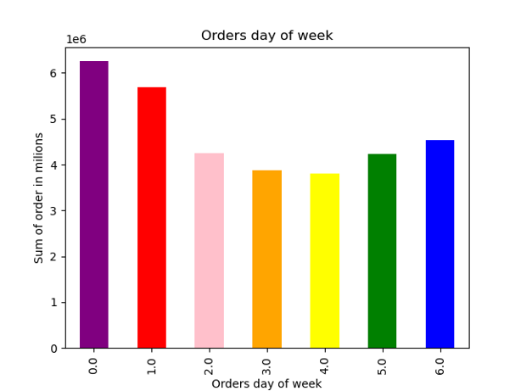

📊 Order Distribution by Day of the Week

The bar chart illustrates the sum of orders placed on different days of the week. Key observations:

The highest number of orders occurs on Saturdays (0) and Sundays (1), indicating that customers prefer to shop on weekends.
Midweek shopping activity is noticeably lower, with the fewest orders recorded on Tuesdays (3) and Wednesdays (4).
A slight increase in orders can be observed on Fridays (5) and Thursdays (6) as customers prepare for the weekend.

This trend suggests that shopping behavior is heavily influenced by weekend convenience, and marketing strategies could focus on promotions or targeted advertising during these peak days.

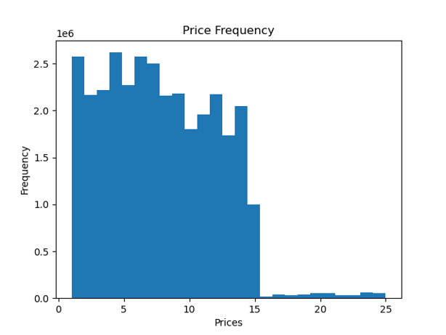


 |  |  | 📊 Price Distribution Analysis

 |  |  | The histograms illustrate the distribution of product prices in the dataset. Key observations:

 |  |  | Most products are priced between $0 and $15, with a noticeable concentration around the lower price range.
 |  |  | A sharp drop in frequency is seen for products priced above $15, indicating that higher-priced items are significantly less common.
 |  |  | The right-side histogram provides a more granular view, showing that price distribution is not uniform, with some specific price points appearing more frequently than others.
 |  |  | A few outliers exist in the $20–$25 range, representing high-end products with limited purchases.
 |  |  | This analysis suggests that the majority of purchases come from affordable product categories, and pricing strategies should focus on optimizing revenue in this range.

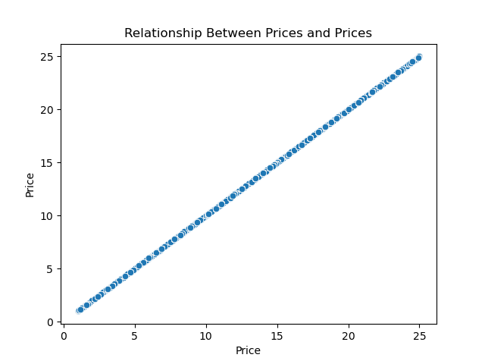

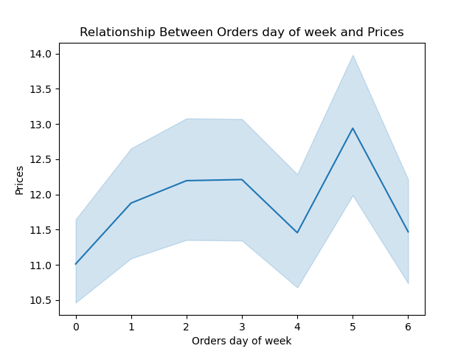
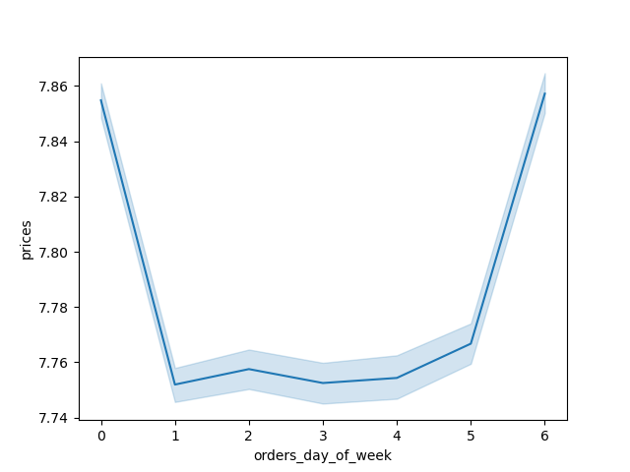

 |  |  | 📊 Analysis of the Relationship Between Orders Day of Week and Prices

 |  |  | The two line plots illustrate the variation in prices based on the day of the week for customer orders. The shaded area represents the confidence interval, showing the range of price fluctuations.

 |  |  | Key Observations:

 |  |  | The left chart shows a strong price fluctuation across different days.
 |  |  | Prices seem to peak on certain days (e.g., day 5) and drop mid-week (e.g., day 4).
 |  |  | This suggests price variation based on demand, possibly influenced by promotions, discounts, or shopping habits.
 |  |  | The right chart presents a more stable trend with lower fluctuations, indicating that the general price range remains steady but slightly shifts across days.



You need to provide the Instacart senior stakeholders with descriptive findings about sales. Create a histogram of the “order_hour_of_day” column.

🛒 Order Distribution by Hour of the Day

The histogram shows the number of orders placed at different hours of the day. Key observations:

The highest number of orders occurs between 9 and 16, indicating peak shopping hours.
The lowest number of orders happens at night, especially between 2 and 6.

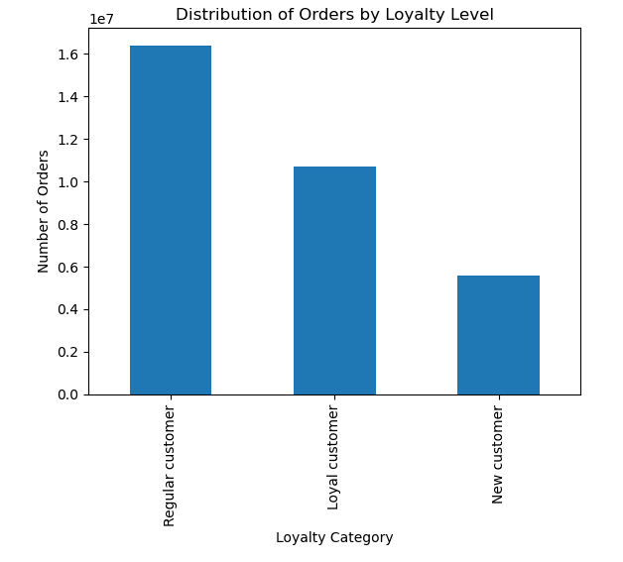

The marketing team is curious about the distribution of orders among customers in terms of loyalty. Create a bar chart from the “loyalty_flag” column.

📊 Distribution of Orders by Loyalty Level

The bar chart visualizes the distribution of orders among customers categorized by their loyalty level. Understanding customer loyalty is crucial for retention strategies and targeted marketing efforts.

Key Observations:

Regular customers generate the highest number of orders, indicating a stable and returning customer base.
Loyal customers contribute significantly but at a lower level than regular customers, suggesting an opportunity to increase engagement through personalized offers.
New customers have the lowest order count, indicating a need for improved onboarding strategies and incentives to drive repeat purchases.

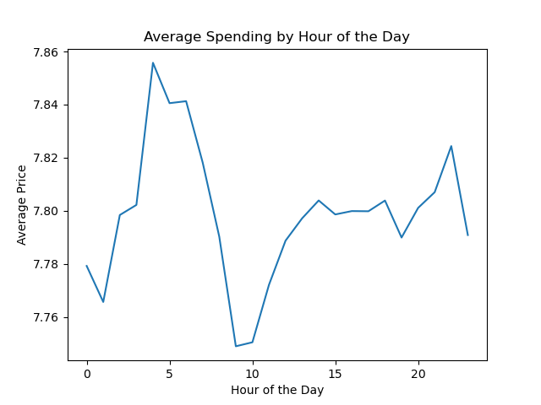

Check whether there’s a difference in expenditure (the “prices” column) depending on the hour of the day.

📊 Average Spending by Hour of the Day

The line chart illustrates the average price of purchases throughout different hours of the day. Understanding spending trends based on time can help businesses optimize pricing strategies, targeted promotions, and staffing schedules.

Key Observations:

There is a noticeable increase in average spending between 2 AM and 6 AM, which might indicate fewer but higher-value purchases during late-night or early-morning hours.
A dip in spending occurs around 10 AM, potentially suggesting more budget-conscious shopping behavior in the morning.
From 12 PM to 8 PM, spending stabilizes, with minor fluctuations, before slightly increasing in the late evening.

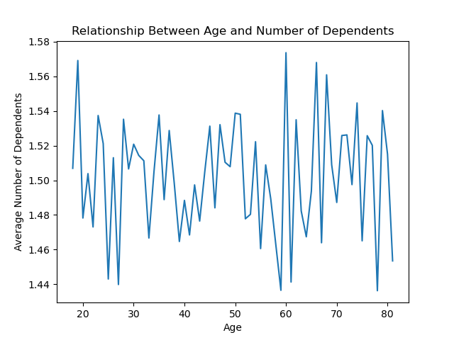

Now that you have information about customers, you need to conduct some analysis of customer demographics to inform the targeted marketing campaigns. First, determine whether there’s a connection between age and family situation by creating a line chart exploring the connections between age and number of dependents

👨‍👩‍👧‍👦 Relationship Between Age and Number of Dependents

The line chart shows how the number of dependents varies with customer age. Key insights:

Younger customers (20s-30s) generally have fewer dependents.
Customers in their mid-30s to 50s have the highest number of dependents.
Older customers (60+) tend to have fewer dependents, possibly because their children have grown up.

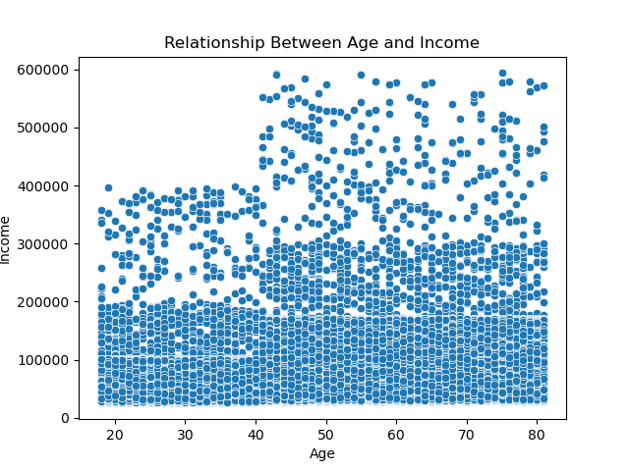

You’ll also need to explore whether there’s a connection between age and spending power (income)

💰 Relationship Between Age and Income¶

The scatterplot explores the relationship between customer age and income. Key observations:

There is no strong linear correlation between age and income.
Income levels are highly variable across all ages.
However, there may be a slight trend where older customers tend to have higher incomes, with a visible clustering around mid-age ranges.
The distribution suggests that income may be influenced by other factors beyond age alone.

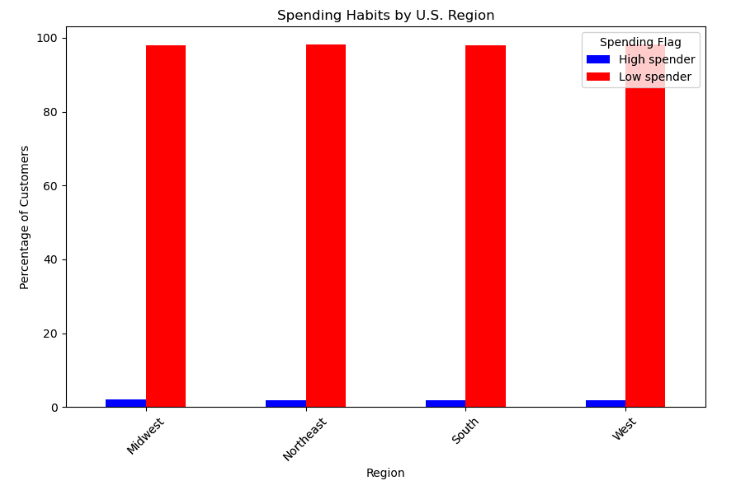

 | The Instacart officers are interested in comparing customer behavior in different geographic areas. Create a regional segmentation of the data. You’ll need to create a “Region” column based on the “State” column from your customers data set.

 | Key Observations:

 | The majority of customers in all regions are low spenders (~98%), while high spenders make up only a small fraction (~2%).
 | There is no significant difference in spending behavior across regions.
 | Regional segmentation does not appear to strongly impact spending habits.

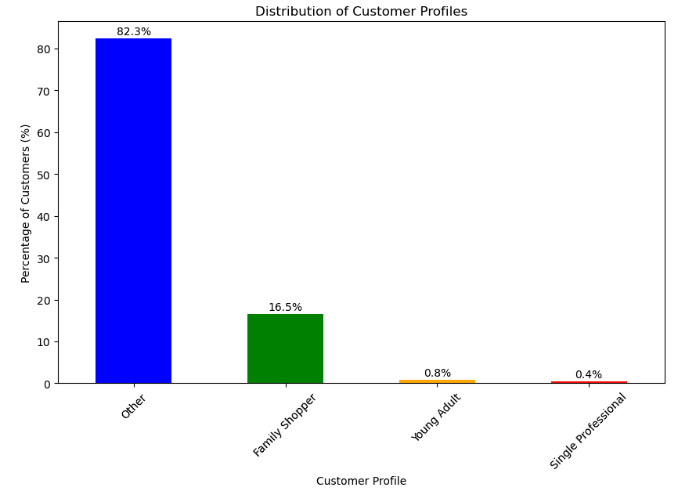

 | The marketing and business strategy units at Instacart want to create more-relevant marketing strategies for different products and are, thus, curious about customer profiling in their database. Create a profiling variable based on age, income, certain goods in the “department_id” column, and number of dependents. You might also use the “orders_day_of_week” and “order_hour_of_day” columns if you can think of a way they would impact customer profiles.

 | Define Customer Profiles
 | Young Adult = Age < 30, No dependents, Income < 50k
 | Single Professional = Age 30-45, No dependents, Income 50k-100k, Shops late at night
 | Young Parent = Age 25-40, 1+ dependents, Buys baby/kid products (department_id for baby items)
 | Family Shopper = Age 30-50, 2+ dependents, Buys household and grocery essentials
 | Senior Citizen = Age > 60, Buys healthcare items, Shops early in the morning

 | Key Observations:

 | Majority of Customers: 82.3% fall into the "Other" category, suggesting a need for better-defined segments.
 | Family Shoppers: 16.5% focus on household essentials, making them a key target for bulk promotions.
 | Low Representation: Young Adults (0.8%) and Single Professionals (0.4%) shop less, possibly favoring in-store shopping or other services.
 | Marketing Insights:
 | Family Shoppers can be targeted with grocery and household deals.
 | Young Adults & Single Professionals may respond to convenience-based incentives like express delivery.

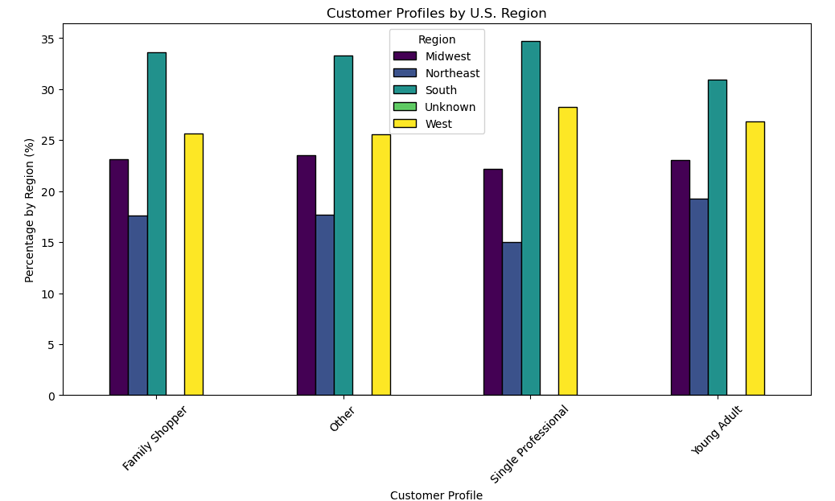

 | Compare your customer profiles with regions and departments. Can you identify a link between them? Customers may demonstrate different behaviors across regions, which could make this information important.

 | Key Observations:

 | Regional Differences: The South has the highest percentage of all customer profiles, indicating a strong market presence.
 | Family Shoppers: Most prevalent in the South and West, suggesting a focus on bulk grocery promotions in these regions.
 | Single Professionals & Young Adults: More evenly distributed but slightly higher in the West, possibly due to urban demographics.
 | Marketing Insights:
 | The South should focus on family-oriented promotions.
 | The West could benefit from targeting young professionals with convenience-focused deals.

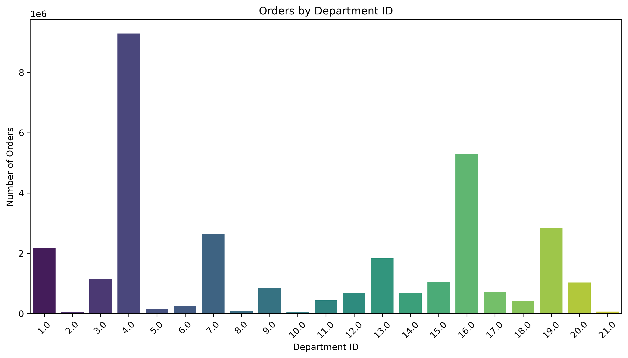

 |  | Popularity of Product Categories

 |  | Key Observations: Popularity of Product Categories

 |  | 1. Top Departments → Department 4 has the highest order count, followed by 16 and 19.
 |  | 2. Moderate Demand → Departments 1, 7, 13, and 15 have steady orders but are not peak performers.
 |  | 3. Low Demand → Departments 5, 6, 8, 10, 11, and 17 show fewer orders, indicating niche products.
 |  | 4. Marketing Strategy → High-demand categories should be featured in promotions, while low-demand ones may need discounts or better visibility.

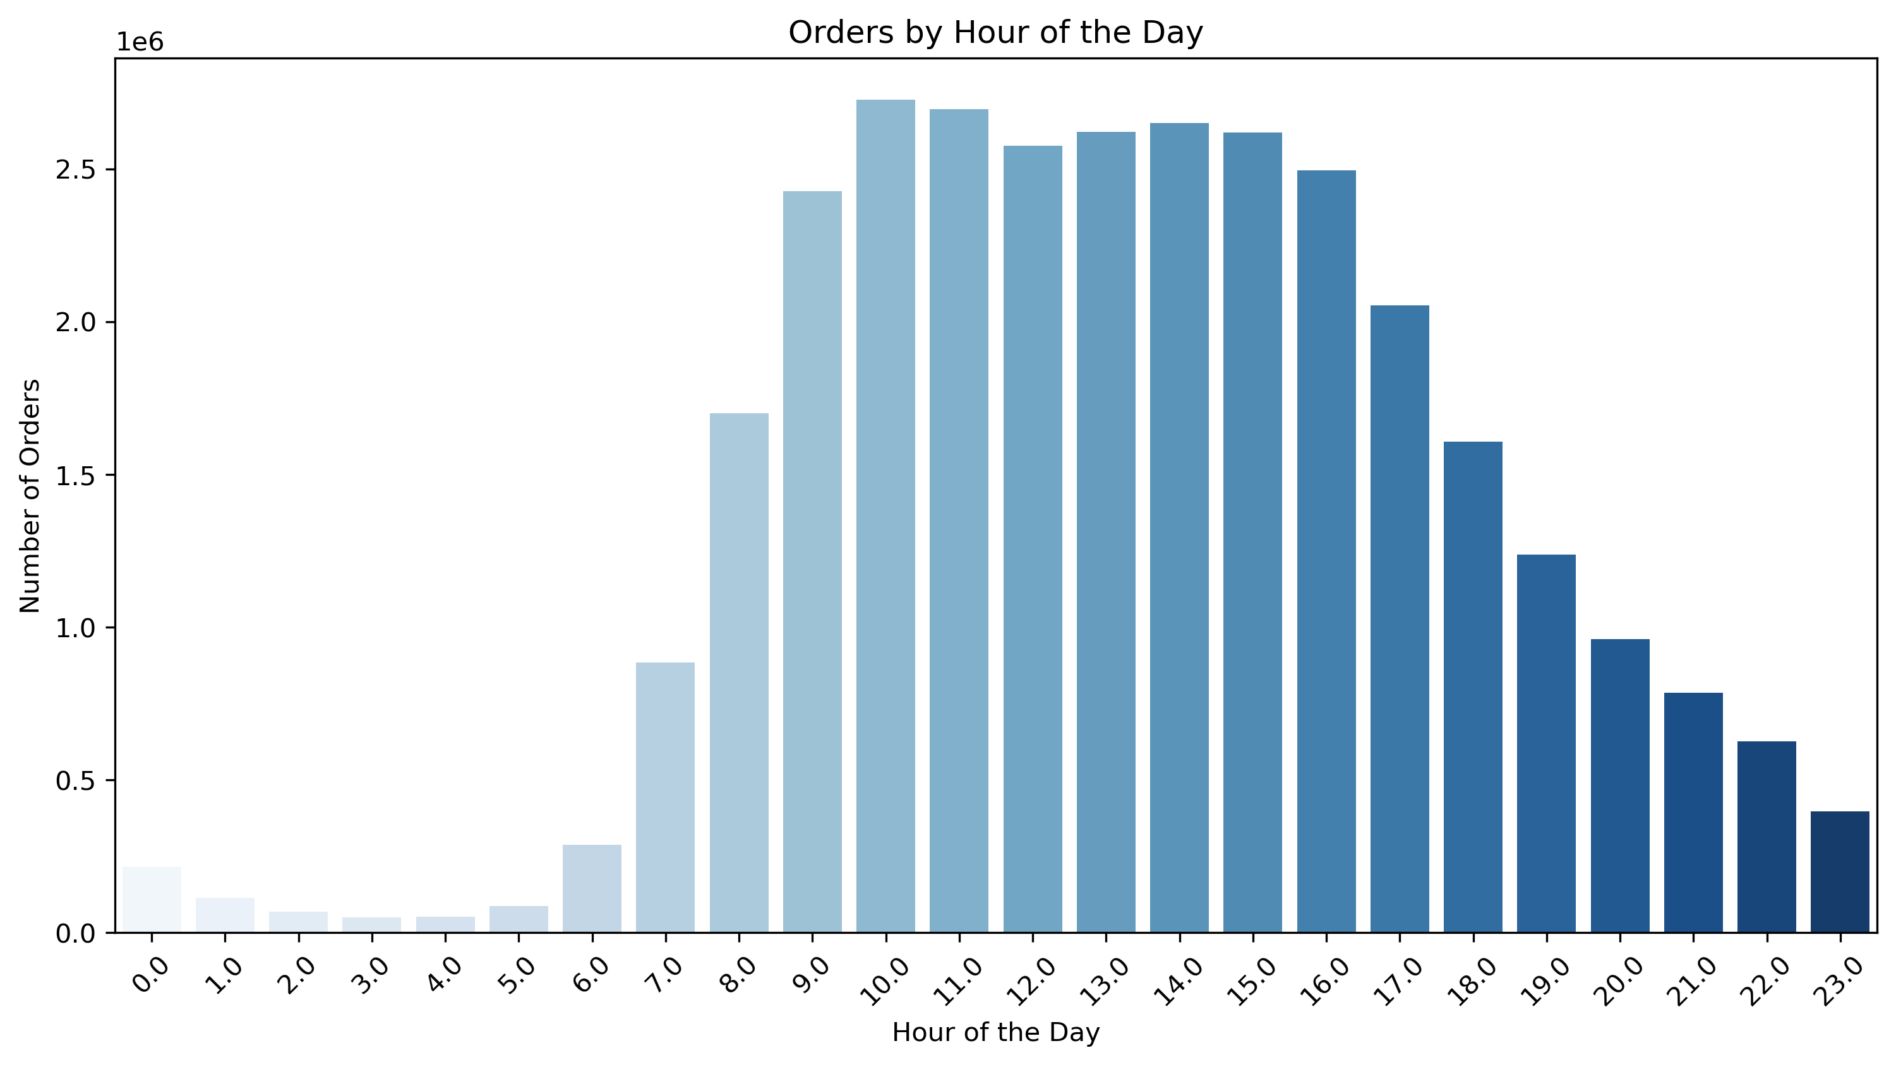

 |  | Peak Shopping Hours

 |  | Key Observations: Peak Shopping Hours

 |  | 1. Peak Hours → Most orders happen 9 AM - 4 PM, peaking 10 AM - 3 PM.
 |  | 2. Low Activity → Fewest orders occur 12 AM - 6 AM, with a rise after 6 AM.
 |  | 3. Evening Decline → Orders drop after 4 PM, with a sharp decline post 7 PM.
 |  | 4. Insights → Best time for promotions: 9 AM - 4 PM. Late-night hours may need special incentives to drive engagement. 🚀

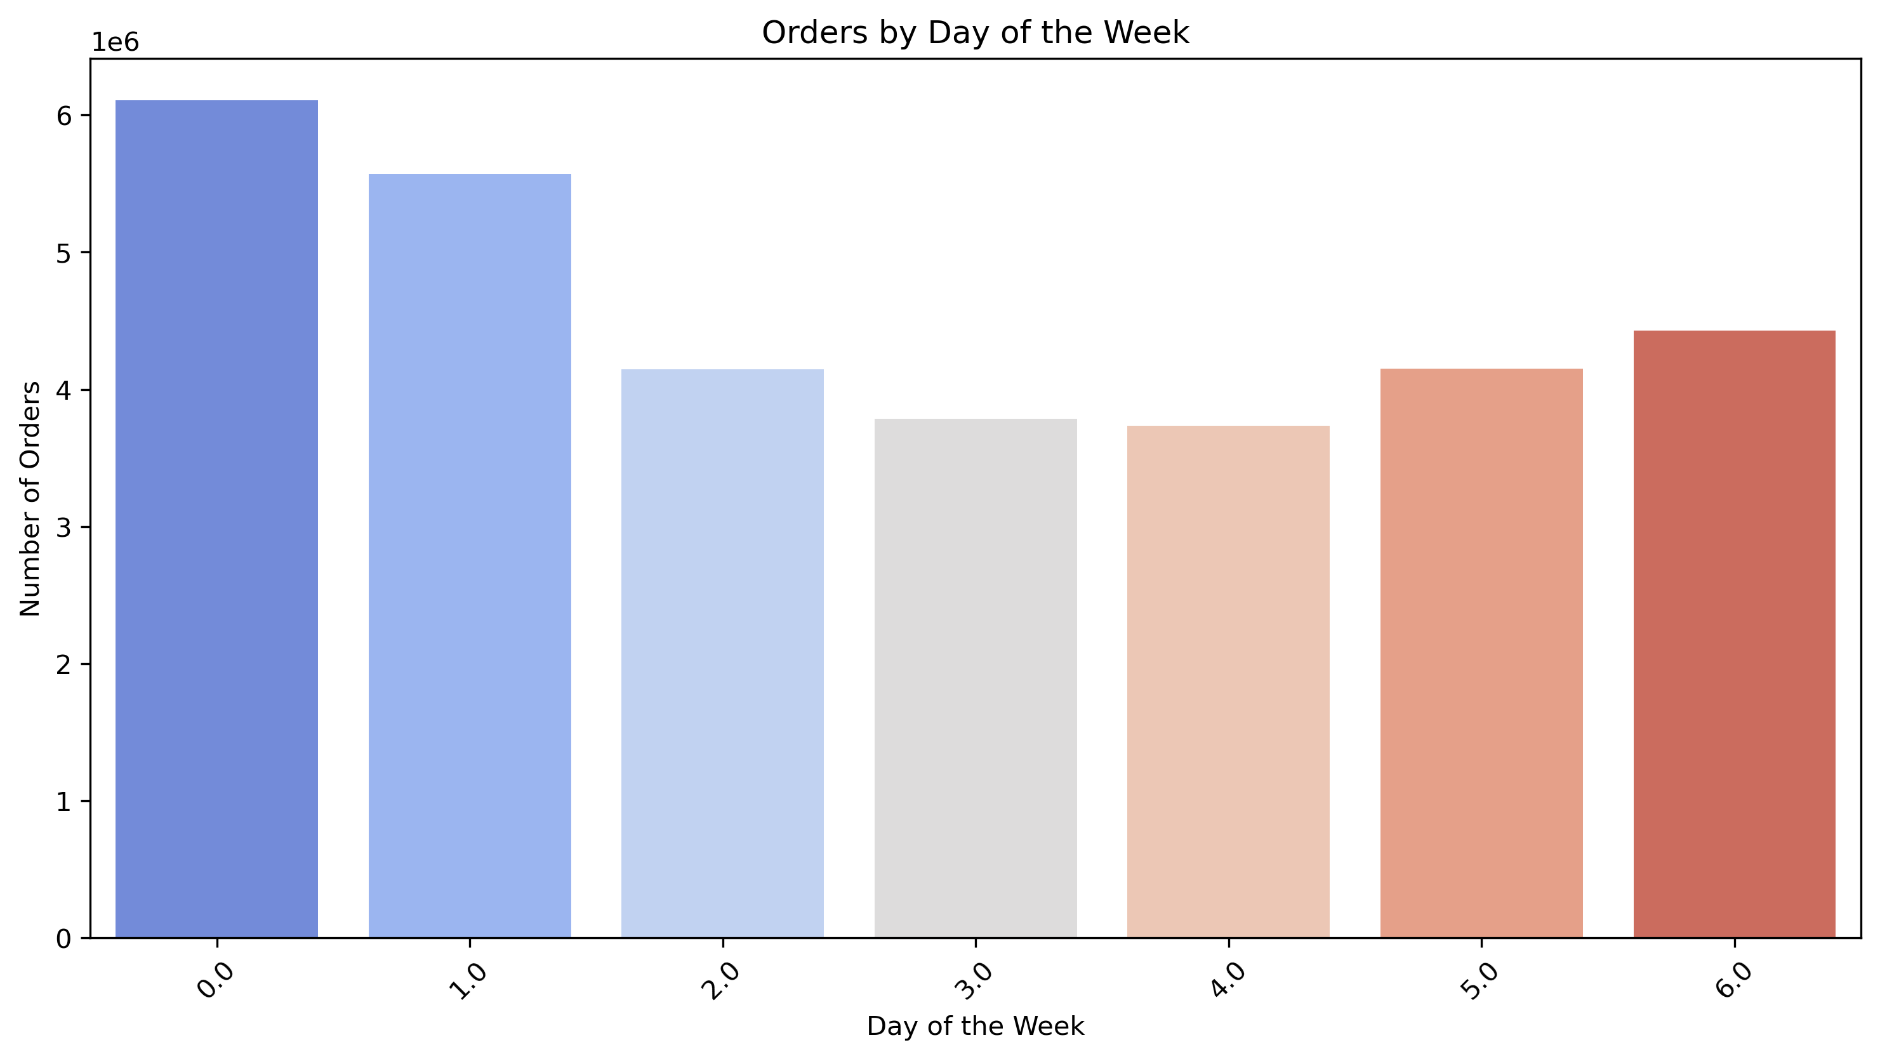

 |  | Peak Shopping Days

 |  | Key Observations: Peak Shopping Days

 |  | 1. Highest Order Volume on Weekends → Saturday (0) and Sunday (1) see the most orders, suggesting that customers prefer shopping during their free time.
 |  | 2. Midweek Drop → Orders decline significantly on Tuesday (2) and Wednesday (3), indicating a lower shopping frequency.
 |  | 3. Gradual Increase Before Weekends → Orders start rising again from Thursday (4) and Friday (5), likely due to weekend preparations.

 |  | Marketing Strategy

 |  | Weekend Boost → Optimize marketing efforts and introduce weekend promotions to capture the high-traffic days.
 |  | Midweek Engagement → Implement discounts or loyalty rewards midweek to encourage purchases.
 |  | Friday Surge → Focus on grocery and entertainment-related product promotions as people prepare for the weekend.

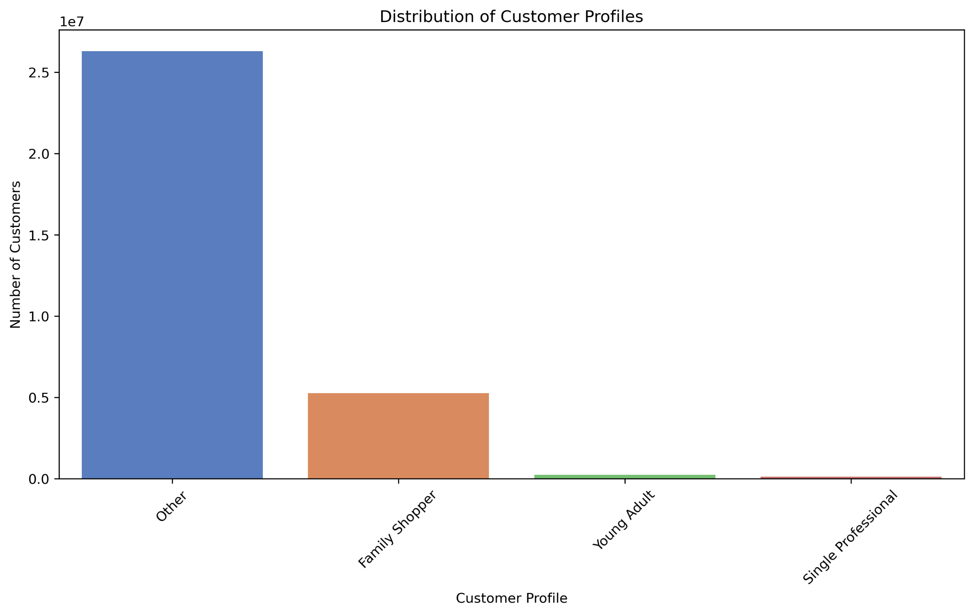

 |  | Customer Profile Segmentation

 |  | Key Observations: Customer Profile Segmentation

 |  | 1. Dominant Group → 82.3% of customers fall under "Other," suggesting a need for better-defined segments.
 |  | 2. Key Segment → 16.5% are Family Shoppers, making them a primary target for household and grocery promotions.
 |  | 3. Low Representation → Young Adults (0.8%) and Single Professionals (0.4%) shop less, possibly favoring in-store purchases.
 |  | 4. Marketing Strategy →
 |  | Family Shoppers → Target with bulk deals and household essentials.
 |  | Young Adults & Professionals → Focus on convenience-based incentives like express delivery.

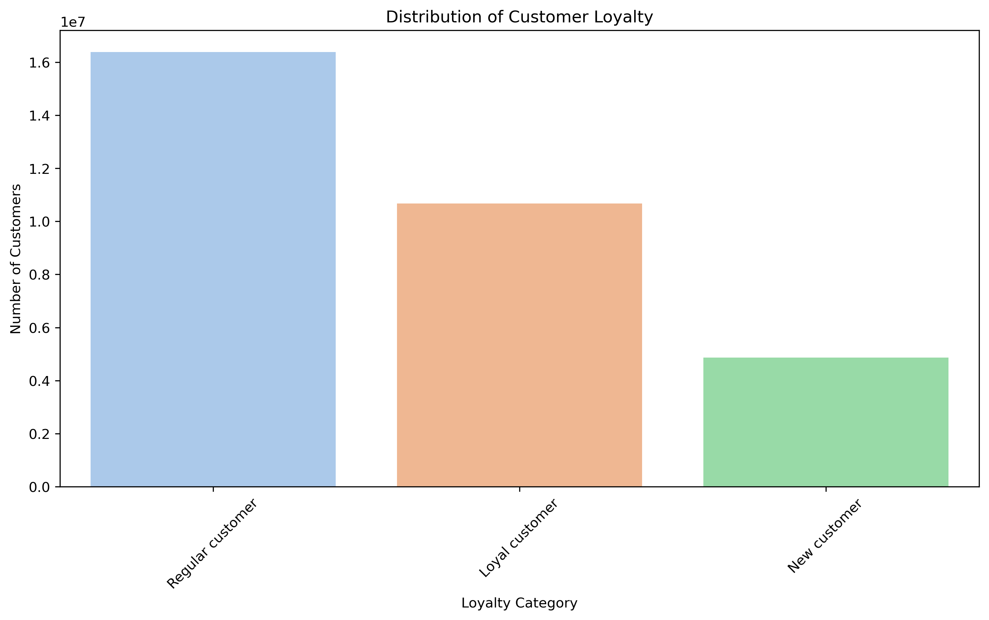

 |  | Customer Loyalty Levels

 |  | Key Observations: Customer Loyalty Levels

 |  | 1. Regular Customers Dominate → Largest segment, indicating a stable returning base.
 |  | 2. Loyal Customers (Engaged Shoppers) → Significant proportion, suggesting opportunities for personalized rewards.
 |  | 3. New Customers → Lowest segment, highlighting the need for onboarding incentives to encourage repeat purchases.
 |  | 4. Marketing Strategy →
 |  | Regular Customers → Strengthen loyalty with exclusive discounts.
 |  | Loyal Customers → Enhance engagement via subscription models.
 |  | New Customers → Convert them with first-time purchase offers.

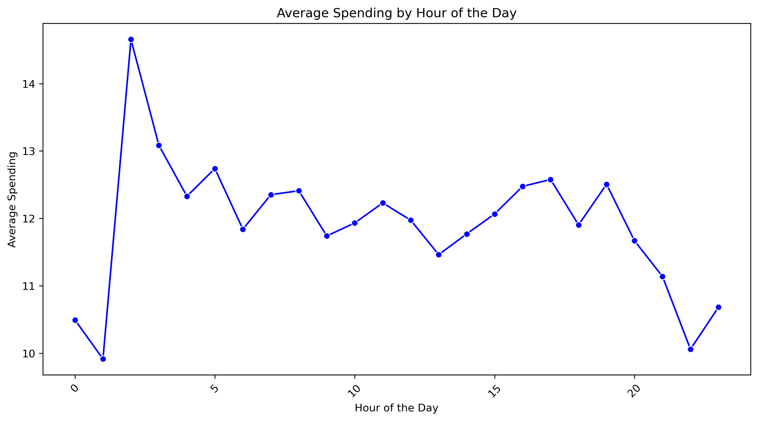

 |  | Spending Trends by Hour of the Day

 |  | Key Observations: Spending Trends by Hour of the Day

 |  | 1. Spending Peaks at 1 AM → Highest average spending occurs around 1 AM, possibly indicating high-value or urgent purchases.
 |  | 2. Gradual Decrease in Early Morning → Spending dips after the peak, stabilizing around 6 AM.
 |  | 3. Fluctuations Throughout the Day → Spending remains relatively steady with small increases between 12 PM – 4 PM.
 |  | 4. Decline in Late Evening → Spending drops significantly after 8 PM, suggesting lower-value purchases or fewer high-ticket items.

 |  | Marketing Strategy

 |  | 1 AM Peak → Target premium/high-value product promotions for night-time buyers.
 |  | Midday Stability → Optimize deals for everyday essentials when spending is stable.
 |  | Evening Decline → Consider flash sales or limited-time offers to boost spending during this period.

7. Recommendations
 |  | Title page

Recommendations

In this tab you should include any recommendations you would made to Instcart in terms of their marketing strategy based on the questions posed in the brief. Every key question has been covered in the Tasks of the Exercises - here you need to add an item - a visualisation or table/crosstable that is showing the answer in the data, acompanied by a comment from you. Please, list the questions below and add the answer underneath.

Question | Answer
Key Question 1 | 1. Optimize Ad Scheduling Based on Peak Shopping Hours Finding: Most orders occur between 10 AM and 4 PM, with activity gradually declining in the evening. Recommendation: Schedule digital ads and promotions before peak hours (8-10 AM) to capture customer interest before they place orders. Implementation: Introduce morning discounts or flash deals to increase spending during less active hours.
Key Question 2 | 2. Leverage Peak Shopping Days for Promotions Finding: Weekends (Saturday & Sunday) see the highest order volumes. Recommendation: Run weekend-exclusive promotions, especially on staple goods and high-demand categories (e.g., groceries). Implementation: Offer free delivery or bulk discounts on weekends to encourage higher basket sizes.
Key Question 3 | 3. Target High-Demand Product Categories for Promotions Finding: Departments 4, 16, and 19 have the highest number of orders. Recommendation: Increase visibility of best-selling categories in marketing campaigns. Implementation: Feature these departments in homepage promotions. Bundle complementary products (e.g., popular groceries + household essentials).
Key Question 4 | 4. Develop Customer-Specific Marketing Strategies Finding: Majority of customers fall into the "Other" category, with Family Shoppers being the next significant segment. Recommendation: Implement personalized marketing by tailoring offers based on customer profiles. Implementation: Family Shoppers: Discounts on bulk purchases. Young Adults & Single Professionals: Incentives like express delivery & subscription plans.
Key Question 5 | 5. Strengthen Customer Retention & Loyalty Programs Finding: Regular customers dominate the customer base, followed by loyal customers and a smaller proportion of new users. Recommendation: Focus on converting regular customers into loyal shoppers with rewards. Implementation: Introduce a tiered loyalty program (discounts after multiple purchases). Exclusive offers for repeat buyers (e.g., “Shop 5 times, get free delivery”).
Key Question 6 | 6. Adjust Pricing & Promotions Based on Spending Patterns Finding: Spending varies throughout the day, with higher spending spikes during early morning (around 3-4 AM) and midday (12-3 PM). Recommendation: Introduce price-based incentives during high-spending hours. Implementation: Offer personalized product recommendations during these hours to maximize basket sizes.
Key Question 7 | 7. Refine Regional Marketing Strategy Finding: Shopping behavior varies across regions, with the South having the most active customer base. Recommendation: Develop region-specific promotions. Implementation: South & West: Focus on bulk grocery promotions. Urban regions (West & Northeast): Promote convenience-focused deals like same-day delivery.

